Roles, Profiles & Users
Sr.No. | Task Description | Assigned Date | Completion Date | Status
1 | Create a role hierarchy for ABC Corporation, ensuring that the roles reflect the organization's structure. Include roles for Sales Manager, Sales Representative, Support Manager, Support Agent, CEO, Sales Director, and Support Director | 10-Jul-24 |  |  | Scenario: ABC Corporation ABC Corporation is implementing Salesforce to manage their sales and customer service operations. The organization has multiple departments, including Sales, Customer Support, and Management. Each department has different access requirements and responsibilities. Roles: Define the level of access users have to records, based on a hierarchy. Determine record visibility and sharing. Typically reflect the organizational structure. Profiles: Define object-level and field-level permissions, such as what users can see, create, edit, or delete. Determine permissions on data and tools within Salesforce. Typically reflect the job functions or user responsibilities. CEO : The CEO is at the top of the hierarchy and has access to all data within the organization. Sales Director : Reports to the CEO and oversees the Sales department.Has access to all data owned by Sales Managers and Sales Representatives. Support Director : Reports to the CEO and oversees the Customer Support department.Has access to all data owned by Support Managers and Support Agents. Sales Manager : Reports to the Sales Director.Manages the Sales Representatives and has access to their data. Support Manager : Reports to the Support Director.Manages the Support Agents and has access to their data. Sales Representative : Reports to the Sales Manager.Focuses on managing leads, opportunities, and accounts. Support Agent : Reports to the Support Manager.Focuses on managing cases, solutions, and customer inquiries. Sales Department: Roles: Sales Manager, Sales Representative Profiles: Sales Manager Profile, Sales Representative Profile Responsibilities: Managing leads, opportunities, and accounts. Customer Support Department: Roles: Support Manager, Support Agent Profiles: Support Manager Profile, Support Agent Profile Responsibilities: Managing cases, solutions, and customer inquiries. Management: Roles: CEO, Sales Director, Support D
2 | Define the profiles for Sales Manager and Sales Representative. Assign only access of Leads, Opportunity & Accounts. Read, create, and edit access to leads and opportunities; read-only access to accounts. | 10-Jul-24
3 | Create a custom profile for Support Manager and Support Agent. Assign Full access to cases, solutions, and customer inquiries. Support Agent Profile: Read, create, and edit access to cases and solutions; read-only access to customer inquiries. | 10-Jul-24
4 | Create user accounts for a Sales Manager named John Doe and a Support Agent named Jane Smith. Assign them to appropriate roles and profiles. | 10-Jul-24
5 | For the Sales Representative Profile, restrict access to the field "Annual Revenue" on the Account object. | 10-Jul-24
6 | E ensure that Support Agents can only see cases they own, while Support Managers can see all cases within their team | 10-Jul-24
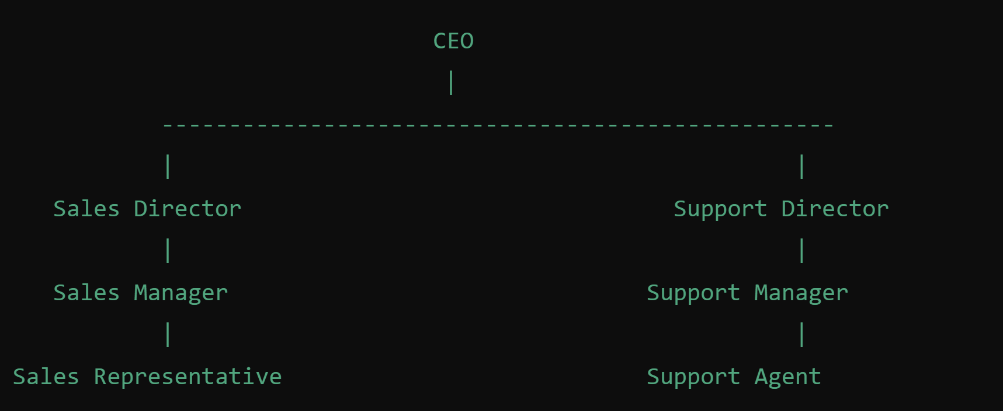
7 | Configure the Sales Manager Profile to allow access to create and view reports but restrict the ability to delete reports | 10-Jul-24
8 | Restrict login hours for the Support Agent Profile to Monday through Friday, 8 AM to 6 PM. | 10-Jul-24
9 | Configure the Support Manager Profile to allow full access to Cases and read-only access to Accounts. | 10-Jul-24
10 | Ensure that the Sales Representative Profile has read-only access to the Account object but can create and edit Opportunities. | 10-Jul-24

